Sheet1
SL. NO. | ITEM CODE | PHOTO
1 | PPT-ML-16-G | 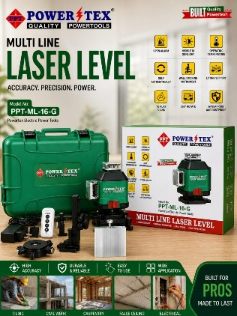
2 | PPT-CL-BDX-10 | 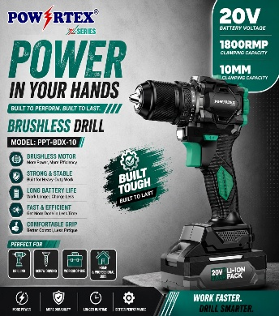
3 | PPT-CL-BIDX-13 | 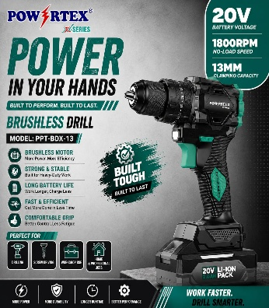
4 | PPT-CL-BAGX-115 | 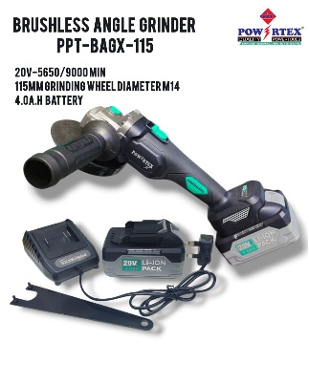
5 | PPT-CL-BIWX-400 | 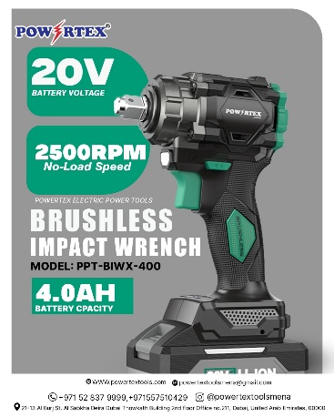
6 | PPT-CL-EW-500-40 | 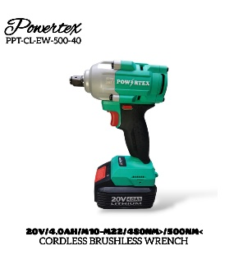
7 | PPT-CL-EW-700-40 | 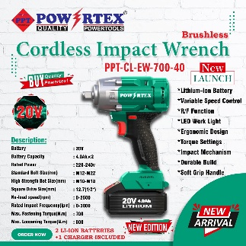
8 | PPT-CL-EW-1600-40 | 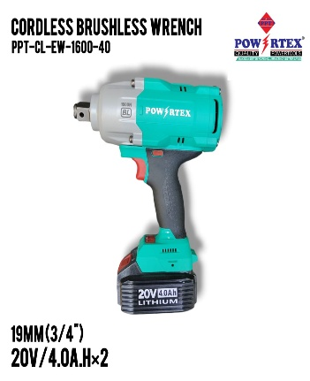
9 | PPT-CL-ID-140 | 
10 | PPT-CL-CD-10-BL | 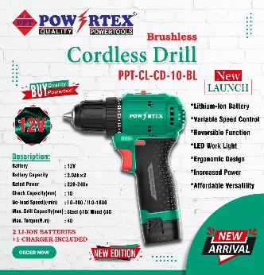
11 | PPT-CL-CD-10-HQ-BL | 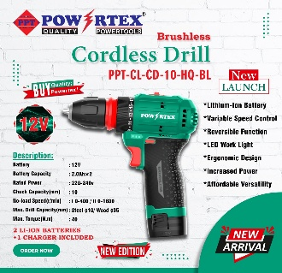
12 | PPT-CL-ED-13-BL | 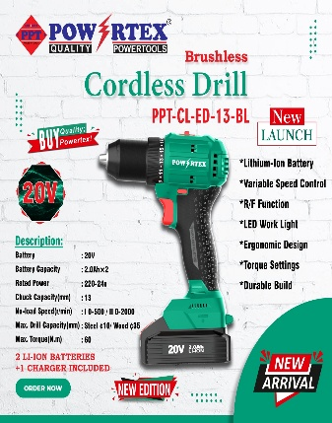
13 | PPT-GID-13A | 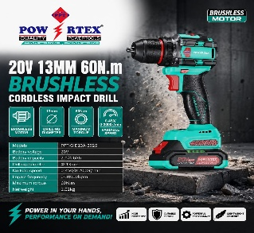
 | PPT-GID13B | 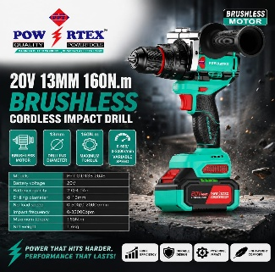
13 | PPT-AG-100-C | 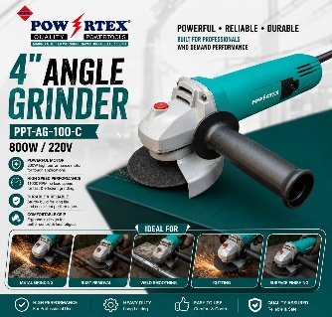
14 | PPT-AG-115-950 | 
15 | PPT-AG-115-G | 
16 | PPT-AG-230-G | 
17 | PPT-DH-38-G | 
18 | PPT-DH-11-G | 
19 | PPT-DH-65-G | 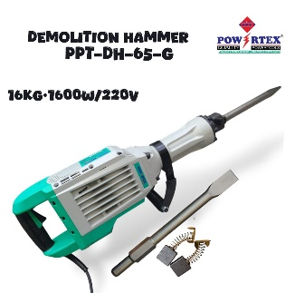
20 | PPT-CM-110-G | 
21 | PPT-CM-180-G | 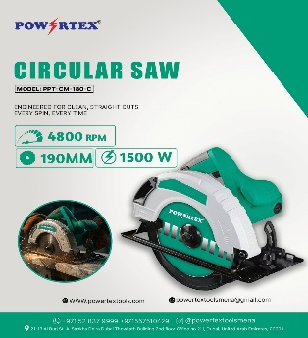
22 | PPT-MS-255-HG | 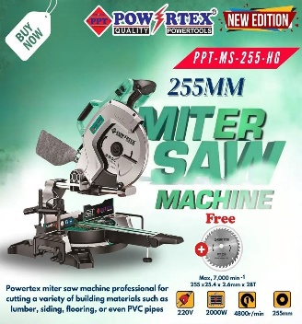
23 | PPT-TS-216 | 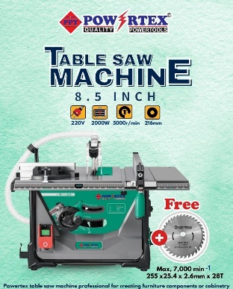
24 | PPT-TSS-255 | 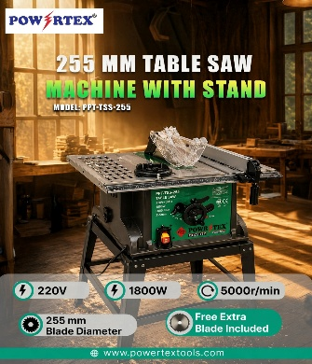
25 | PPT-TM-6-650 | 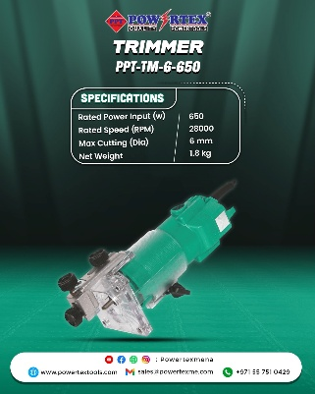
26 | PPT-RM-8-H | 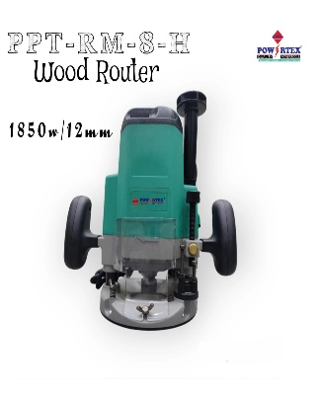
27 | PPT-WC-002 | 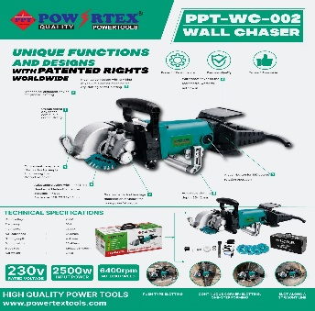
28 | PPT-OS-110 | 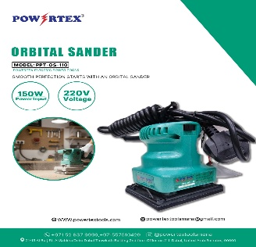
29 | PPT-OS-114 | 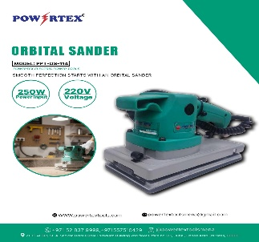
30 | PPT-SP-180-C | 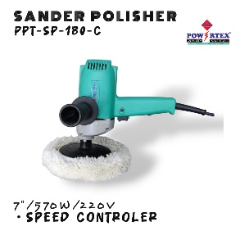
31 | PPT-SP-180 | 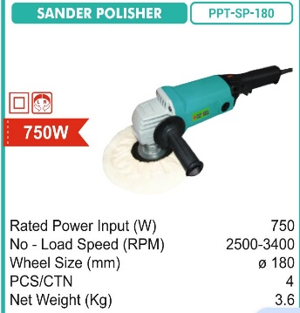
32 | PPT-GG-13000-EWD | 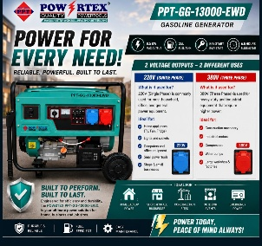
33 | PPT-VC-30-H | 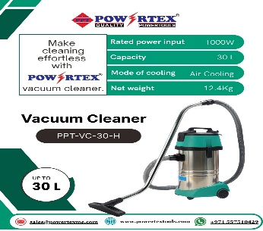
34 | PPT-VC-60-H | 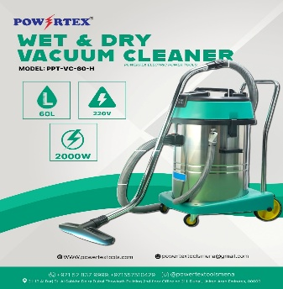
35 | PPT-CC-30 | 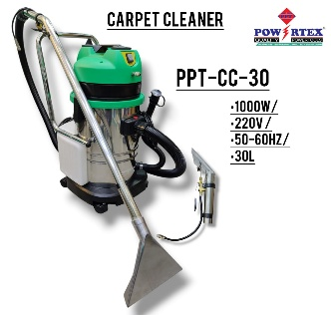
36 | PPT-CO-355-G | 
37 | PPT-CW-300 | 
38 | PPT-EW-20 | 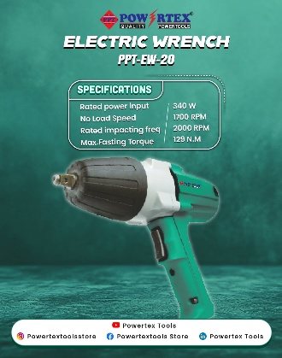
39 | PPT-DG-25 | 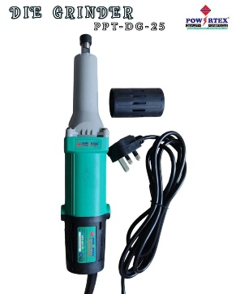
40 | PPT-ED-6-H | 
41 | PPT-ED-10-H | 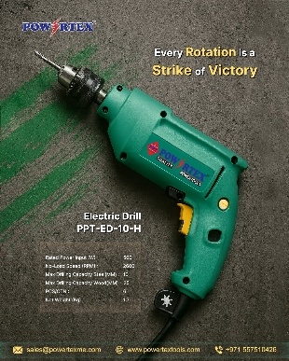
42 | PPT-HG-002 | 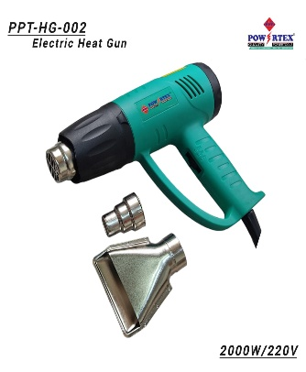
43 | PPT-EB-002 | 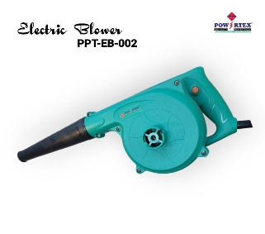
44 | PPT-RH-26-E | 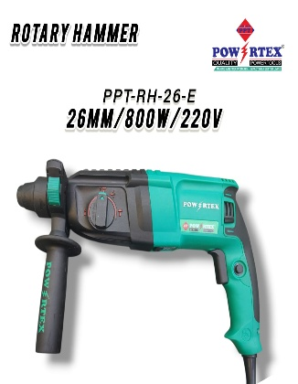
45 | PPT-DD-300-G | 